Sheet1
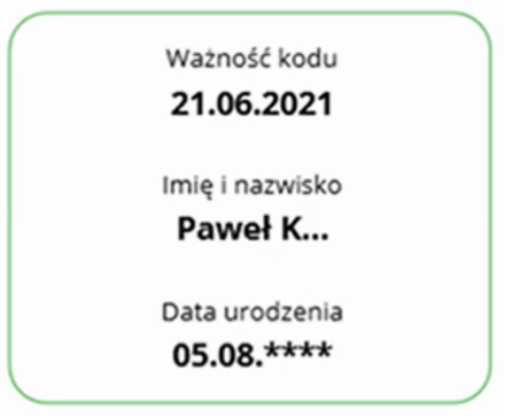
 | Disc | Sen | Val |  |  |  | Giorgio's Questions | Hynek's answers
Person identification (minimum dataset) | 0 | M | ? | Person name | The legal name of the vaccinated person | Indentification reason | identify possible contraints to be applied (e.g. eHDSI requests to provide given and family name) | agree, QR code subset could be slightly different, however.
 | 0 |  |  | level 0 - just initials | F*** P*** | MInimal data in a level 0 context (e.g. bouncer)
 | 1 |  |  | level 1 and higher - full name | Fabrice Påvel | Full name
 | 2 | H | H | *Person identifier (optional) | An identifier of the vaccinated person, according to the policies applicable in each country. It should be captured what type of identifier is used. Examples: citizen ID card or identifier within the health system/IIS/e-registry. | Also medically useful (mandatory in some countries)
 | 2 | M | L | Sex (optional) | Administrative gender | Medically useless
 | 2 | H | H | Person date of birth (conditional) | Vaccinated person’s date of birth. Mandatory if no Person identifier is provided. | Complete date, without time, following the ISO 8601.
*Vaccination / prophylaxis information (minimum dataset) * means that the whole section may be repeated | 0 | L | H | Disease or agent targeted (optional) | Disease or agent that the vaccination provides protection against | ICD-10 or SNOMED CT (GPS) In the future ICD-11.
 | 2 | H | H | Vaccine / prophylaxis | Generic description of the vaccine/prophylaxis or its component(s) Example: J07BX03 covid-19 vaccines (temporary code, to be implemented in ATC 2022) 1119349007 | COVID-19 mRNA vaccine | 1119305005 | COVID-19 antigen vaccine | | SNOMED CT and ATC Classification (J07 therapeutic subgroup); In the future substances from the ISO IDMP Implementation-EU- SRS system
 | 2 | H | H | Vaccine medicinal product | Medicinal product name Example: COMIRNATY concentrate for dispersion for injection | For the time being, this should be the name of the medicinal product as registered in the country. In the future the information on the medicinal product can incorporate the identifiers from the implementation of the ISO IDMP Standards and the medicinal package's unique identifier
 | 2 | H | H | Marketing Authorization Holder | Marketing Authorisation Holder Example: Pfizer BioNTech | EMA's Organisations System data (SPOR) | For the time being is mapped into the Immunation.manufacturer. the question is if the intent is actually to distiguish between MAH and manufacturer and if both should be somehow accomdate in the future, or it is a string helping to undertsand the product administered @Hynek: manufacturer (from IDMP) "organisation that holds the authorisation for the manufacturing process". There are different manufactureres depending on the level: Medicinal Product; manufactured Item ; substance. I think is enough complex even if we conider only the MP manufacturer :-) :-) | This has a practical reason / consequence. National registries of drugs usually register only MAH, not manufacturers. BTW, who is the manufacturer? Is it the entity which manufactures substances (mostly from China and India) or those who are mixing them into a pharmaceutical product? :-)
 | 2 | H | H | Number in a series of vaccinations / doses | Order in the vaccination course Example: 1/2 | ?? paramter ? does it mean complete/incomplete ? | split into two elements ? dose in the series, total number of doses in the series | This seems meaningful.
 | 2 | H | H | Batch/lot number (optional) | A distinctive combination of numbers and/or letters which specifically identifies a batch
note: date of exp. important for '0'? note2: date of start of it being valid also important for level 0! | 2 | H | H | Date of vaccination | Important: meant for medical use | Complete date, without time, following ISO 8601
 | 0 | H | L | Start date of validity vacc. in medical context/setting. | First and possible last date of when the vaccination is medically valid (meant for non medical use) |  | Based on what I understood, I have some doubt if the coverage period has an actual meaning for COVID... as any immunuty statement.. but I'm not a clinician :-) | This is highly controversial. There might me agreement that vaccine provides maximal coverage of the subject x-days after vaccination. But what we can say about x-1, x-2 days? He is certainly coverd to some extent. Anyhow, my recommendation would be instead of addin this field, to clearly specify rules for certificate validity period.
 | 2 | M | M | Administering centre | Name/code of administering centre or a health authority responsible for the vaccination event |  | I see two distict concepts: - where it was administered (location ?) - who is the organization responsible for the administration (perfomer ?) | I guess that performer is more relavant for medical use case. Location might be also relevant but rather in IIS context. We might allow both to be exchaged.
 | 2 | M | M | Health Professional identification (optional) | Name or health professional code responsible for administering the vaccine or prophylaxis |  | which HP infos ? name and/or id ? | both are optional
 | 2 | M | M | Country of vaccination | The country in which the individual has been vaccinated | ISO 3166 Country Codes |  | This element might be expressed in context of the address of vaccination centre.
 | 2 | H | L | Next vaccination date (optional) | Date on which the next vaccination should be administered | Complete date, without time, following ISO 8601 | does it describes the intent of administering a new vaccine ; or it describe the planned date according to the agreed protocol ? | Should be rather a due date according to an agreed protocol.
Certificate metadata (minimum dataset) | 0 | L | H | Certificate issuer | Entity that has issued the certificate (allowing to check the certificate) |  | I have the impression that certificate is used with two meanings : - the certificate in a PKI-like sense - document collecting the vaccination performed (e.g. a pdf) ? | Let's call it Proof of vaccination instead of certificate.
 | 1 | L | H | Certificate Identifier | Unique identifier of the certificate (UVCI), to be printed (human readable) into the certificate; the unique identifier can be included in the IIS
 | 0 | L | H | Certificate valid from (optional) | Certificate valid from (required if known) | Complete date, without time, following ISO 8601
 | 0 | L | H | Certificate valid until (optional) | Certificate valid until (validity can differ from the expected immunisation period) | Complete date, without time, following ISO 8601
 | 0 | L | H | Certificate schema version | Version of this minimum dataset definition - currently set at 1.0.0 | Semantic versioning (ISO, https://semver.org/ version 2.0.0 or newer).
 | 0 | L | H | Issuing authority country | May be implied by first two digits of UVCI | MUST be present if UVCI is not level 0!

